Sheet1
taskID | task | predecessorTaskIDs | bestCaseHours | expectedHours | worstCaseHours | projectManager | frontendDeveloper | backendDeveloper | dataScientist | dataEngineer | Completion Times
A | Describe product |  | 1 | 2 | 3 | X |  |  |  |  | 2
B | Develop marketing strategy |  | 1 | 2 | 4 | X |  |  |  |  | 2
C | Design brochure | A | 2 | 4 | 6 | X |  |  |  |  | 4
D | Develop product prototype
D1 | Requirements analysis | A | 2 | 4 | 8 | X | X | X | X | X | 8
D2 | Software design | D1 | 10 | 16 | 24 |  | X | X | X | X | 24
D3 | System design | D1 | 10 | 16 | 24 |  | X | X | X | X | 24
D4 | Coding | D2, D3 | 10 | 16 | 24 |  | X | X | X | X | 24
D5 | Write documentation | D4 | 2 | 4 | 8 | X |  |  |  |  | 8
D6 | Unit testing | D4 | 16 | 24 | 32 | X | X | X | X | X | 32
D7 | System testing | D6 | 16 | 24 | 32 | X | X | X | X | X | 32
D8 | Package deliverables | D5, D7 | 2 | 4 | 6 | X | X | X | X | X | 2
E | Survey potential market | B, C | 6 | 10 | 16 | X |  |  | X |  | 6
F | Develop pricing plan | D8, E | 1 | 2 | 4 | X |  |  |  |  | 1
G | Develop implementation plan | A, D8 | 1 | 2 | 4 | X |  |  |  |  | 1
H | Write client proposal | F, G | 2 | 4 | 8 | X |  |  |  |  | 2

 | Rate Card:
 | Project Manager | $175
 | Data Engineer | $175
 | Data Scientist | $175
 | Front End Developer | $175
 | Back End Developer | $175

 | Tasks that can be completed in parrallel:
 | A & B
 | C& D1
 | D2 & D3
 | D5 &D6
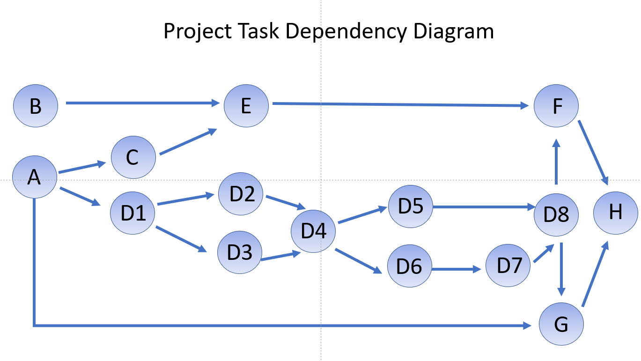

 |  |  |  |  |  |  |  |  |  |  |  | Equation:
 |  |  |  |  |  |  |  |  |  |  |  | Precedent Constraints
 |  |  |  |  |  |  |  |  |  |  |  |  | C = xc > xA +2
 |  |  |  |  |  |  |  |  |  |  |  |  | D1 = xd1 > xA +2
 |  |  |  |  |  |  |  |  |  |  |  |  | D2= xd2> xd1+4
 |  |  |  |  |  |  |  |  |  |  |  |  | D3= xd2> xd3+4
 |  |  |  |  |  |  |  |  |  |  |  |  | D4=

